March 21,2025
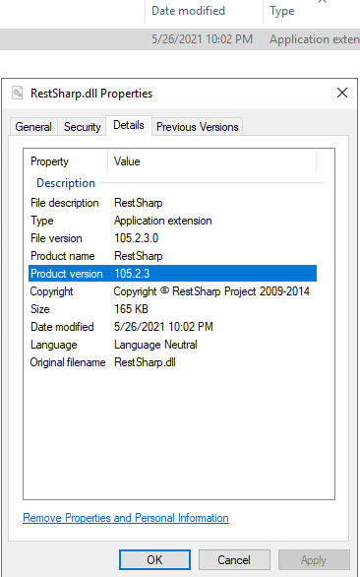
 |  | 18-Mar-25 |  | 20-Mar-25 |  |  |  | 2025-03-21
Steps | Clients | JustGlobal | TSY | TA | Whirlpool | HS | PS | HY | WF | DenstuCreative
1 | eMail Reference for PS: RE: Invoice Posting error (NEX 14832) We have deployed the backup version of RestSharp.dll to make Quick book integration/posting work. Below is the required version. | N/A | N/A | N/A | NA | N/A | Version of RestSharp.dll to make Quick book integration/posting work. | N/A | N/A | N/A
2 | DownLoad Web package and Update login.aspx with offline settings | √ | √ | √ | √ | √ | √ | √ | √ | √
3 | Web Build Deployment on Both Web Servers | √ | √ | √ | √ | √ | √ | √ | √ | √
4 | Apply Maintenance/Offline Page | √ | √ | √ | √ | √ | √ | √ | √ | √
5 | Restore the backup of rapidshare.dll for PS only | N/A | N/A | N/A | N/A | N/A | Restore DLL file | N/A | N/A | N/A
7 | Template Deployment on Prod File Server | √ | √ | √ | √ | √ | √ | √ | √ | √
8 | Take DB Backup from utility and execute the DB Script | √ | √ | √ | √ | √ | √ | √ | √ | √
9 | Execute DB Script | √ | √ | √ | √ | √ | √ | √ | √ | √
9 | Close the deployment utility | √ | √ | √ | √ | √ | √ | √ | √ | √
10 | Start the deployment utility | √ | √ | √ | √ | √ | √ | √ | √ | √
10 | Turn Off SQL Notification Jobs | √ | √ | √ | √ | √ | √ | √ | √ | √
11 | Click the "backup database" button for Golden backup. Do not close Deplyment Utility Till end of verification | √ | √ | √ | √ | √ | √ | √ | √ | √
11 | GOLDEN Backup | √ | √ | √ | √ | √ | √ | √ | √ | √
12 | Update eMAIL and Integration Code=0 | use nex_jg --use NEX_jg_aus --use Nex_jg_sgp --use nex_jg_uk Go select * into pdd_resources_20250116 from pdd_resources update pdd_resources set mail_flag=0 select distinct mail_flag from pdd_resources select * into pdm_company_20250116 from pdm_company update pdm_company set integration_code=0 select integration_code from pdm_company | use nex_tsy --use NEX_helm Go select * into pdd_resources_Feb172024 from pdd_resources update pdd_resources set mail_flag=0 select distinct mail_flag from pdd_resources select * into pdm_company_Feb172024 from pdm_company update pdm_company set integration_code=0 select integration_code from pdm_company | use Nex_TA GO select * into pdd_resources_20250116 from pdd_resources update pdd_resources set mail_flag=0 select distinct mail_flag from pdd_resources select * into pdm_company_20250116 from pdm_company update pdm_company set integration_code=0 select integration_code from pdm_company | use Nex_WPool Go select * into pdd_resources_20250116 from pdd_resources update pdd_resources set mail_flag=0 select distinct mail_flag from pdd_resources select * into pdm_company_20250116 from pdm_company update pdm_company set integration_code=0 select integration_code from pdm_company | For hainc Only use eSM_HSTAR --Propel Health -- use eSM_SCS --Propel Health Engagements Go select * into pdd_resources_Feb242023 from pdd_resources update pdd_resources set mail_flag=0 select distinct mail_flag from pdd_resources select * into pdm_company_Feb242023 from pdm_company update pdm_company set integration_code=0 select integration_code from pdm_company | use Nex_PS Go select * into pdd_resources_Feb232023 from pdd_resources update pdd_resources set mail_flag=0 select distinct mail_flag from pdd_resources select * into pdm_company_Feb232023 from pdm_company update pdm_company set integration_code=0 select integration_code from pdm_company | use nex_hy go select * into pdd_resources_March212025 from pdd_resources update pdd_resources set mail_flag=0 select distinct mail_flag from pdd_resources select * into pdm_company_March212025 from pdm_company update pdm_company set integration_code=0 select integration_code from pdm_company | use eSM_WF GO select * into pdd_resources_March212025 from pdd_resources update pdd_resources set mail_flag=0 select distinct mail_flag from pdd_resources select * into pdm_company_March212025 from pdm_company update pdm_company set integration_code=0 select integration_code from pdm_companyy | use Nex_MGB Go select * into pdd_resources_March212025 from pdd_resources update pdd_resources set mail_flag=0 select distinct mail_flag from pdd_resources select * into pdm_company_March212025 from pdm_company update pdm_company set integration_code=0 select integration_code from pdm_company
13 | Rename D365 folder as __D365_ before Process Testing on Production SQL server | N/A | N/A | N/A | N/A | N/A | N/A | N/A | N/A | Rename D365 folder as __D365_ before Process Testing on Production SQL server
14 | Process Testing | √ | √ | √ | √ | √ | √ | √ | √ | √
15 | Restore Golden Back up | √ | √ | √ | √ | √ | √ | √ | √ | √
16 | Turn no SQL notification Jobs | √ | √ | √ | √ | √ | √ | √ | √ | √
17 | Rename __D365_ folder back to its original name after Restore Golden backup on Production SQL server | N/A | N/A | N/A | N/A | N/A | N/A | N/A | N/A | Rename __D365_ folder back to its original name after Restore Golden backup on Production SQL server
19 | Notification Jobs Execution [Only those that were schedule between the time to turn off and turn on] | √ | √ | √ | √ | √ | √ | √ | √ | √
20 | Remove Maintenance Page | √ | √ | √ | √ | √ | √ | √ | √ | √

